Form
PLEASE OPEN IN EXCEL. DO NOT USE GOOGLE SHEETS!
 |  |  |  |  |  |  |  | Questions regarding the completion of this form should be directed to
Employee Reimbursement Request |  |  |  |  |  |  |  | Accounts Payable Office - 304-204-4003
Please do not use this form for travel reimbursements.

State Org Name: |  |  | Employee Name:
West Virginia State University |  |  |  |  |  |  |  | Use the lookup tool to the right to find your name. |  | Name Lookup: |  |  | Vendor ID:
State Org Number: |  |  | Employee Address: |  |  |  |  |  |  |  |  | Click the dropdown arrow right of the white box.
0490 |  |  |  |  |  |  |  | Name and Address must match wvOASIS EXACTLY |  | Address:
 |  |  |  |  |  |  |  |  |  | City: |  |  | State: |  | Zip:
wvOASIS GAX ID: |  |  | wvOASIS Vendor ID: |  |  |  |  |  |  |  | If you are not listed here, it doesn't mean you are not registered. E-mail us to check your registration status.
GAX |  |  |  |  |  |  |  | Enter the date(s) the purchase(s) were made, i.e. Sep 1, 2020 - Sept 4, 2020
Date(s) of Service: |  |  | REIMBUR |  |  |  |  |  |  |  | accounts.payable@wvstateu.edu
 |  |  |  |  |  |  |  | These dates must match the attched receipts, from earliest to latest. |  |  | Employees not registered in wvOASIS as a VENDOR must have a current address on file with the Human Resources Office.

Quantity | Description of Items |  |  |  | Unit Price | Total
 |  |  |  |  |  |  |  | List each item purchased seperately. This should exactly match the receipt.

 |  |  |  |  |  |  |  | Shipping & Handling and Sales Tax if applicable must also be listed separately.

 |  |  |  |  |  |  |  | The Auditor of the State of WV will reject requests that only show a total.

 |  |  |  |  |  |  |  | We also HIGHLY encourge you to sign up for Direct Deposit. Call us for details on setting that up.

 |  |  |  |  |  |  |  | Continue on Page 2 if necessary |  |  |  | Department | Sub-Fund | Unit
 |  |  |  |  |  |  |  | Attach an itemized receipt of all items listed to this form | Sub-Fund & Unit Lookup
 |  |  |  |  | Total Pg 2 |  |  |  |  |  |  | use dropdown arrow to serrch
 |  |  |  |  | TOTAL | $- |  |  |  |  |  | Description | Object | Sub-Object
 |  |  |  |  |  |  |  |  | Object & Sub-Object Lookup
Purpose of Expenditure: |  |  |  | SUB-FUND | UNIT | OBJECT | SUB-OBJECT |  |  |  |  | use dropdown arrow to serrch
 |  |  |  |  |  |  |  | Provide a justification for the purchase and wvOASIS Code Funding. wvOASIS Code should be in #### / #### / #### / #### format. Use the Lookup tool to the right to find codes. If you are unsure of codes, leave blank. The Budget Office will asign codes for you.
Employee signature / date |  |  | Supervisor signature / date

 |  |  |  |  |  |  |  | Print the form, sign and date and have Supervisor sign and date.
Budget signature / date |  |  | VP Business & Finance signature / date

 |  |  |  |  |  |  |  | Submit to Fiscal Affairs Office (301 Ferrell Hall) for final approvals and processing.
WVSU Last Revised 06/11/2024

CONTINUATION - Page 2
Quantity | Description of Items |  |  |  | Unit Price | Total

 | Page 2 |  |  |  | TOTAL | $-

 |  |  |  |  |  | State Org # 0490 |  | This document will automatically create a Receiving Report which will be required for goods received. Print and complete the Receiving Report form AFTER items are received. Not necessary for services rendered.
 |  |  |  |  |  | *P-Card
RECEIVING REPORT
Vendor Name: |  |  | State Org Name:
 |  |  | West Virginia State University
Vendor Address: |  |  | wvOASIS Document ID:
 |  |  |  |  |  |  |  | The wvOASIS Document ID will be filled in by Accounts Payable.

Quantity Ordered | Quantity Received | Description |  |  | Date | Signature
 |  |  |  |  |  |  |  | Employee must fill in the Quantity Received & Date for each item.
 |  |  |  |  |  |  |  | Employee must then sign for each item received.
 |  |  |  |  |  |  |  | A line may be drawn after each date and signature may be made once for each date items were received.

 |  |  |  |  |  |  |  | See Example Below

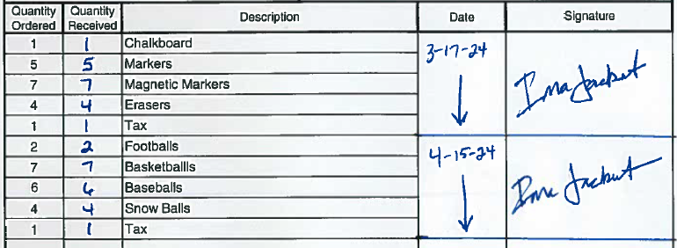

 |  |  |  |  |  |  |  | The example above shows the Quantity Received and Date written in. You can type those fields in the sheet directly. The signature does have to be hand signed.

I HEREBY CERTIFY THAT THE ITEMS LISTED HEREON HAVE BEEN RECEIVED & APPROVED FOR PAYMENT
Print Name: |  |  |  | Please send completed receiving report to: ACCOUNTS PAYABLE 301 Ferrell Hall accounts.payable@wvstateu.edu
Signature:
Date:

Agency Comments:

* Check box for commodities paid for by State of West Virginia Purchasing Card.

CONTINUATION
Quantity Ordered | Quantity Received | Description |  |  | Date | Signature

